Income Statement
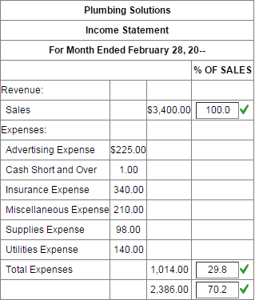
Plumbing Solutions
Income Statement
For month ended February 28, 2016
 |  |  | % of Sales
Revenue:
Sales |  | $3,400.00 | 100%
Expenses:
Advertising Expense | $225.00
Cash Short and Over | $1.00
Insurance Expense | $340.00
Miscellaneous Expense | $210.00
Supplies Expense | $98.00
Utilities Expense | $140.00
Total Expenses |  | $1,014.00 | 29.8%
Net Income |  | $2,386.00 | 70.2%

Balance Sheet
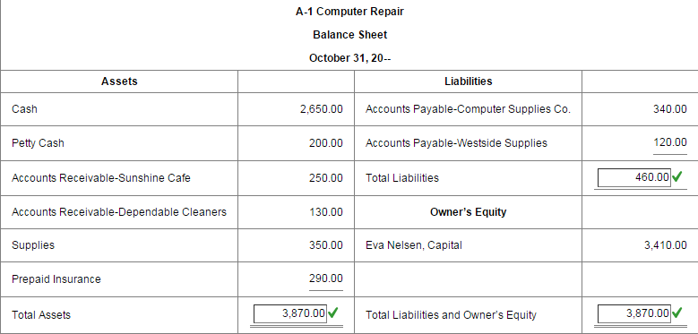
A-1 Computer Repair
Balance Sheet
Monday, October 31, 2016
Assets |  | Liabilities
Cash | $2,650.00 | Accts. Pay.-Computer Supplies | $340.00
Petty Cash | $200.00 | Accts. Pay.-Westside Supplies | $120.00
Accts Rec.-Sunshine Café | $250.00 | Total Liabilities | $460.00
Accts Rec.-Dependable Cleaners | $130.00 | Owner's Equity
Supplies | $350.00 | Eva Nelsen, Capital | $3,410.00 | Updated Capital = Cap. + N.I. - Drawing
Prepaid Insurance | $290.00
Total Assets | $3,870.00 | Total Liabilities and O.E. | $3,870.00

